DDD
Domain: | Harbor Management
Subdomains: | Dock Rental
 | Messaging
 | Traffic Control
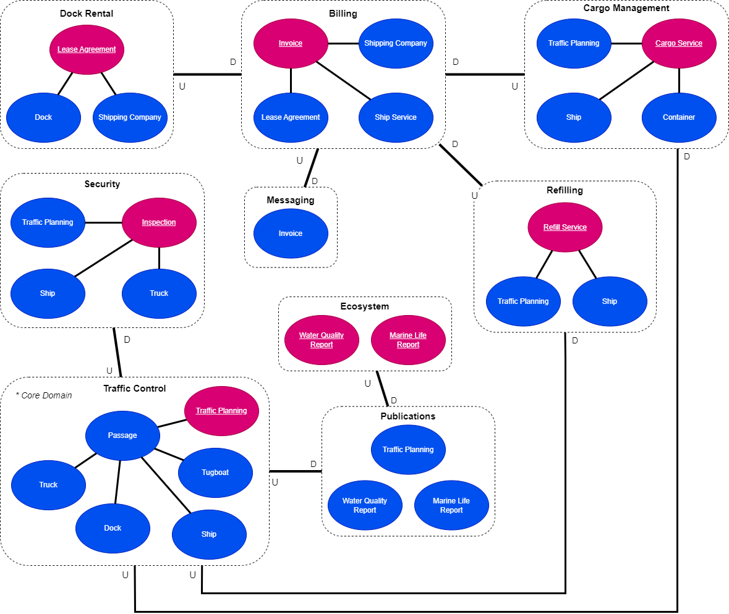
 | Security
 | Cargo Management
 | Billing
 | Refilling
 | Publications
 | Ecosystem
Core Domain: | Traffic Control

Coding Models
Traffic Control
Traffic Planning:
- id: Integer
- passages: [Passage]
- startDate: Date
- EndDate: Date
Passage:
- id: Integer
- ship: Ship (1 van de 2)
- truck: Truck (1 van de 2)
- dock: Dock
- tugboats: [Tugboat]
- arrival: DateTime
- departure: DateTime
Ship:
- id: Integer
- name: String
- shippingCompany: String
- grossTonnage: Integer
- length: Integer
Truck:
- id: Integer
- name: String
- shippingCompany: String
Dock:
- id: Integer
- name: String
- description: String
- amountOfShipSpots: Integer
- amountOfTruckSpots: Integer
Tugboat:
- id: Integer
- name: String
- captain: String
Security
Inspection:
- id: Integer
- trafficPlanning: Traffic Planning
- ship: Ship (1 van de 2)
- truck: Truck (1 van de 2)
- supervisor: String
- scheduledFor: DateTime
Traffic Planning:
- id: Integer
- dockName: String
- arrival: DateTime
Ship:
- id: Integer
- name: String
- expectedCargo: String
Truck:
- id: Integer
- name: String
- expectedCargo: String
Publications
Traffic Planning:
- id: Integer
- passages: [Passage]
- startDate: Date
- endDate: Date
Passage:
- id: Integer
- shipName: String (1 van de 2)
- truckName: String (1 van de 2)
- arrival: DateTime
- departure: DateTime
Marine Life Report
- id: Integer
- date: Date
- species: String
- scientificName: String
- CPUE: Number
Water Quality Report
- id: Integer
- date: Date
- pH: Number
- oxygen: Number (mg/L)
- temperature: Number
- chlorine: Number (mg/l)
Dock Rental
Lease Agreement:
- id: Integer
- dock: Dock
- shippingCompany: Shipping Company
- uuid: Integer (Universal identifier)
- signDate: Date
- validUntil: Date
- price: number
Dock
- id: Integer
- name: String
Shipping Company
- id: Integer
- name: String
- kvkNumber: Integer
- country: String
Billing
Invoice:
- id: Integer
- stream_id: uuid
- leaseAgreement: Lease Agreement
- shippingCompany: Shipping Company
- shipServices: [Ship Services]
- uid: Integer (Universal Identifier)
- totalPrice: Decimal(18,2)
Lease Agreement:
- id: Integer
- uid: Integer (Universal identifier)
- signDate: Date
- validUntil: Date
- price: Decimal(18,2)
Shipping Company:
- id: Integer
- name: String
- kvkNumber: Integer
- invoiceAddress: String
Ship Service:
- id: Integer
- serviceProvided: String
- price: Decimal(18,2)

Cargo Management
Cargo Service:
- id: Integer
- trafficPlannig: Traffic Planning
- ship: Ship
- containerRanges: [ContainerRanges]
- isLoading: Boolean
- isUnloading: Boolean
Traffic Planning:
- id: Integer
- dockName: String
- arrival: DateTime
- departure: DateTime
Ship:
- id: Integer
- name: String
- grossTonnage: Integer
Container Range:
- id: Integer
- start: Integer (Start van de range)
- end: Integer (Einde van de range)
- grossTonnage: Integer

Refilling
Refill Service:
- id: Integer
- trafficPlannig: Traffic Planning
- ship: Ship
- needsRefuelling: Boolean
- needsRecharging: Boolean
Traffic Planning:
- id: Integer
- dockName: String
- arrival: DateTime
- departure: DateTime
Ship:
- id: Integer
- name: String

Messaging
Invoice:
- id: Integer
- leaseAgreementUid: Integer
- shippingCompanyKvk: Integer
- shipServicesProvided: String
- uid: Integer
- totalPrice: Decimal(18,2)
Ecosystem
Marine Life Report
- id: Integer
- year: Integer
- species: String
- scientificName: String
- CPUE: Number
- Habitat: String
- Season: String
Water Quality Report
- id: Integer
- pH: Number
- oxygen: Number (mg/L)
- temperature: Number
- chlorine: Number (mg/l)
- dateStartMeasurement: Date
- turbidity: Number
- diclofenac: Number(ug/L)

TO ADD
Traffic control - Ship: IsCleared boolean status
Traffic control - Dock: Company name

